Role
Maintainer
Designer - Art
Brach
new branch
ex: Create Enemy Enemy for attack damge: 5 types
Implementer
Design-publish
Line

Server
http://master-dhtn.webtoolsmega.net/
http://dev-dhtn.webtoolsmega.net/
new branch
ex: Publish Enemy Enemy for attack damge: 5 types
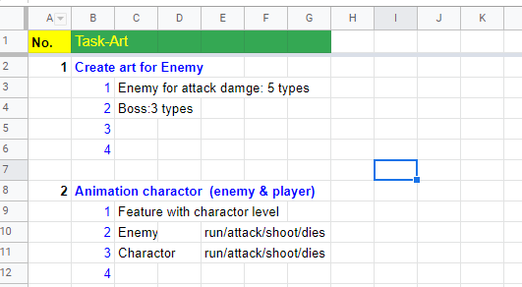
Design-painting

Coder

new branch
ex: Multi players add second player
Master
Dev
(deverlopment)

document-preparing

Title comment push code:
Art-12: Boss:3 types

Branch name: | Sheet name + No. + index of No. |  | ex: | Art-12
Comment when push code: |  | Branch name + title task | ex: | Art-12 Boss:3 types

Flow chart
Game operation

Menu/ Map Level
Game
Restart
Yes
No

Load data
Progress
Load data
Progress
Score
Start
End

Resource
Resource

Playing process

calculation & initialization

get Q/A
Variables
End list

Yes
Pick level
No
End
Start
Selection
Show q/a

Correct
No

Next question
Yes
Happy/ Jump
Sad/ kneeling

assign value
Questions
Variables

Timeline
2020
 |  | July | Aug | Sept | Oct |  | Nov | Dec

Learning with class 🍕
convertgame flash 🍡
 |  |  |  |  |  |  |  |  |  |  | dev
 | start |  |  |  |  |  |  |  | end | 🍕 | Learning with class | thang/phu/thuy
 |  |  |  |  |  |  |  |  |  | 🍟 | olympia
olympia 🍟
 |  |  |  |  |  |  |  |  |  | 🍔 | boomberman
 |  |  |  |  |  |  |  |  |  | 🍡 | convertgame flash
👦
boomberman 🍔
 |  |  |  |  |  |  |  |  |  |  | design | phu/thuy

🍀
 |  |  |  |  |  |  |  |  |  | 👦 | New member
 |  |  |  |  |  |  |  |  |  | 🍀 | go climbing (Tay Ninh if Covid is gone)

 | 1. Javascript
 | 2. Framework Phaser JS |  |  |  |  | Next Year:
 | 3. Web |  |  |  |  |  | Mobile
 | 4. Design |  |  |  |  |  | Deep Learning
 | 5. Deloy |  |  |  |  |  | Tools
 | 6. Media |  |  |  |  |  | Convertgame Flash

 | 1. Github
 | 2. Gitlab
 | 3. SourceTree

Source
games |  | * Plug-in
 | https://github.com/rroylance/phaser-ce-npm-webpack-typescript-starter-project

 |  |  | https://phaserplugins.com/
 |  |  | https://github.com/netgfx/phaser_modals
 |  |  | http://rotates.org/phaser/iso/

 |  |  | https://github.com/mikewesthad/navmesh

 |  |  | https://github.com/Gamegur-us/phaser-touch-control-plugin
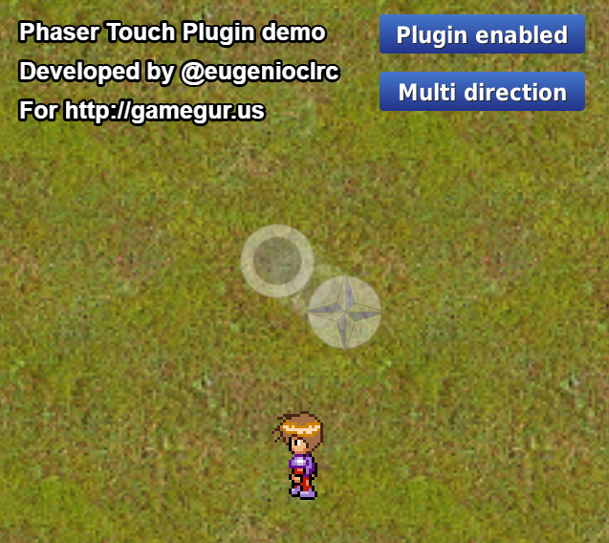

 |  |  | https://github.com/koreezgames/phaser3-particle-editor
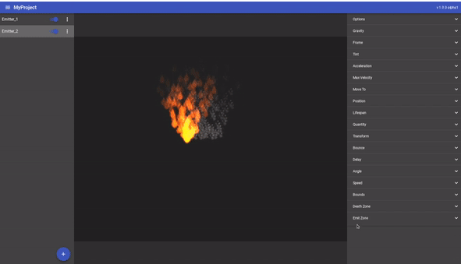

 |  |  | https://proyecto26.com/Phaser-Kinetic-Scrolling-Plugin/
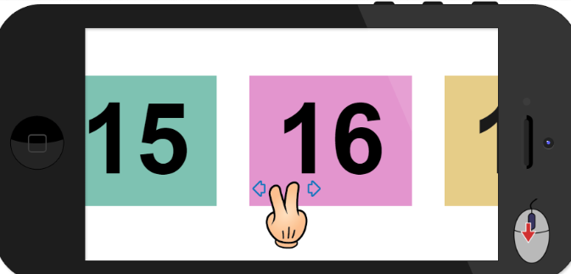

 |  |  | https://github.com/azerion/phaser-ads

